Sheet1
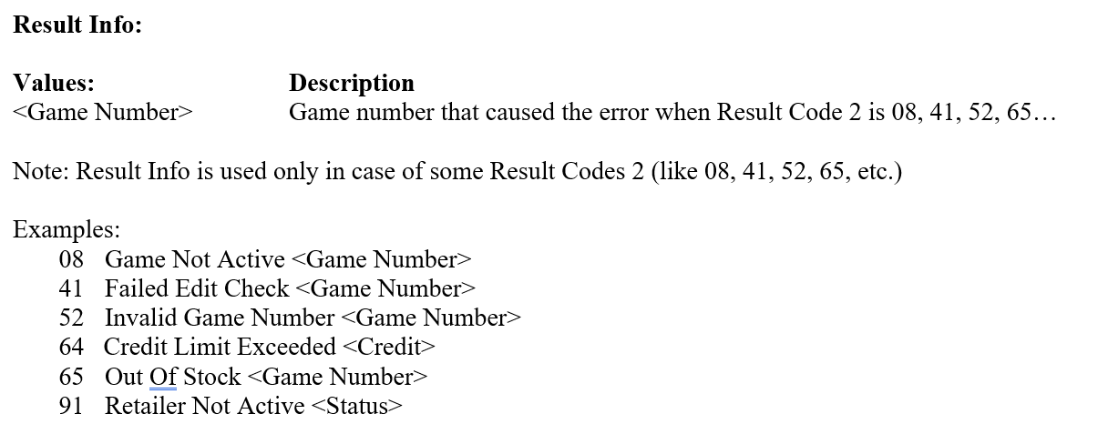
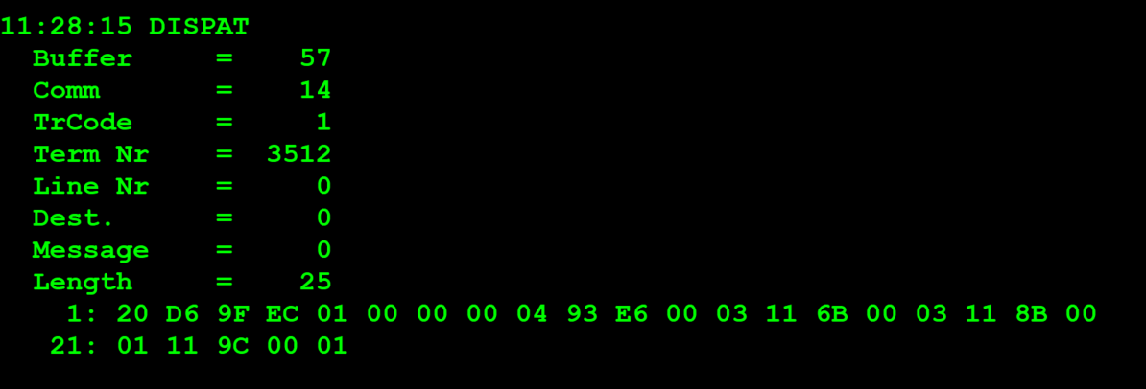
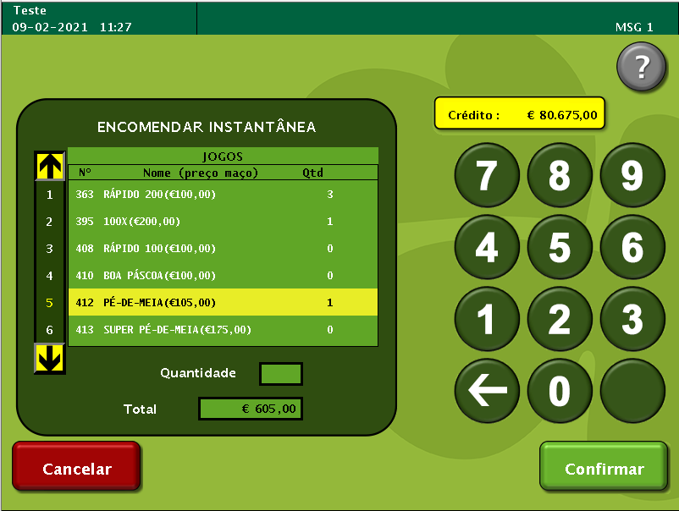
TestByte |  | Size | Field Contents
Start | End
1 | 1 | 1 | Control | Sequence | 20 | Control=0010 Sequence=0000 | 2 0 | Control -> x10 - Application Message Sequence -> 0
2 | 2 | 1 | Type = 13 | Subtype = 06 | D6 | Type=1101 Subtype=0110 | Type=13 Subtype=6 | Type = 13 Subtype = 6
3 | 4 | 2 | Checksum |  | 9F EC
5 | 5 | 1 | Statistics[1] |  | 01 |  | 1
6 | 7 | 2 | Option Flags |  | 00 00 |  | 0
8 | 8+n-1 | n | Option Data[2] |  | N | N | N | N
8+n | 11+n | 4 | Retailer Number |  | 00 04 93 E6 |  | 300006 | 0300006
12+n | 13+n | 2 | Number of Orders in Batch |  | 00 03 |  | 3 | Foi encomendado 3 tipos de Maços diferentes
14+n | 15+n | 2 | Game |  | 11 6B | 4096 | Game Type = 1 16B->363 | Always 1 - Instant Game (high nibble) 363
16+n | 17+n | 2 | Supply Quantity |  | 00 03 |  | 3 | quantidade 3 maços pedidos
14+n | 15+n | 2 | Game |  | 11 8B | 4096 | Game Type = 1 18B->395 | Always 1 - Instant Game (high nibble) 395
16+n | 17+n | 2 | Supply Quantity |  | 00 01 |  | 1 | quantidade 1 maços pedidos
14+n | 15+n | 2 | Game |  | 11 9C | 4096 | Game Type = 1 19C->412 | Always 1 - Instant Game (high nibble) 412
16+n | 17+n | 2 | Supply Quantity |  | 00 01 |  | 1 | quantidade 1 maços pedidos

 |  |  |  |  |  | Bytes 14+n -> 17+n repeated for number of orders in batch (max 40)

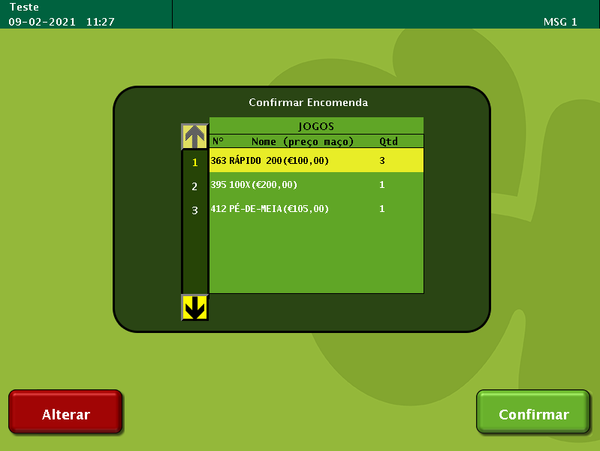

TestByte |  | Size | Field Contents
Start | End
1 | 1 | 1 | Control | Sequence | 20 | Control=0010 Sequence=0000 | 2 0 | Control -> x10 - Application Message Sequence -> 0
2 | 2 | 1 | Type = 13 | Subtype = 06 | D6 | Type=1101 Subtype=0110 | Type=13 Subtype=6 | Type = 13 Subtype = 6
3 | 4 | 2 | Checksum |  | BD 31
5 | 7 | 3 | Time Stamp (seconds since midnight) |  | 00 A1 50 |  | 41296 | 11:28:16 - seconds since midnight
8 | 9 | 2 | Julian Date (3 digits, unsigned) |  | 00 28 |  | 40 | 31+9=40
10 | 12 | 3 | External Serial Number (8 digits, unsigned) |  | F9 31 3D |  | 16 331 069 | 16 331 069
13 | 13 | 1 | Check Digits (3 digits, unsigned) |  | 4A |  | 74 | 074
14 | 14 | 1 | Result Code 1 (see below) |  | 00 |  | 0 | 00=No error (Result Code 2 not used)
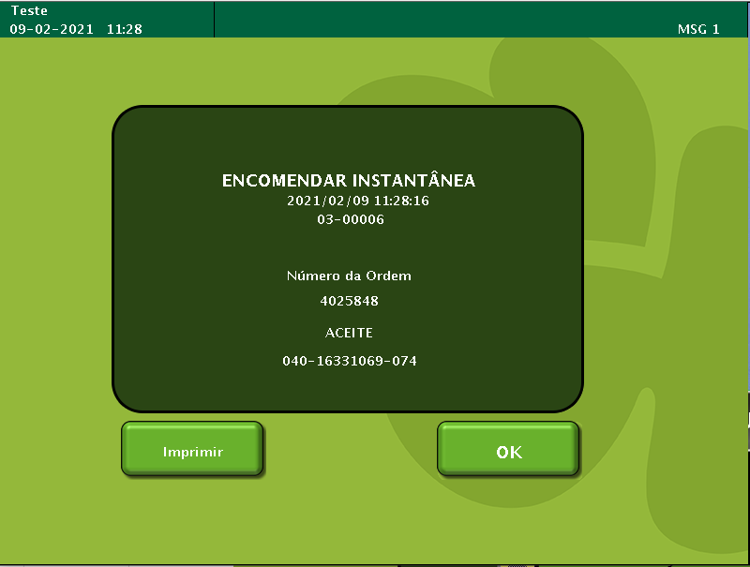
15 | 15 | 1 | Result Code 2 |  | 00 |  | 0 | No error
16 | 19 | 4 | Result Info (see below) |  | 00 00 00 00 |  | 0 | No error
20 | 23 | 4 | Order Number |  | 00 3D 6D F8 |  | 4025848 | 4025848
24 | 25 | 2 | Number of Orders in Batch |  | 00 03 |  | 3
26 | 26+n | 1 | Out of Stock Flag (see below) |  | 00 |  | 0
26 | 26+n | 1 | Out of Stock Flag (see below) |  | 00 |  | 0
26 | 26+n | 1 | Out of Stock Flag (see below) |  | 00 |  | 0

